TH&ID
Case No. | Function | Category | Case Name | Test Steps | Expected Result | Status | Comments | New requirement
FT1 | Merchant Setup | Mandatory Field checking | N/A | •HSBC Client ID - <= 13 characters •Merchant ID - 15 characters (TH)/ 5 characters (ID) •Merchant Type - Master Merchant/ Sub Merchant •HSBC Charge Cycle - Daily/ Monthly •HSBC Charge Date - must have input if is Monthly Charged Cycle •Settlement Account - 12 digits •Settlement Account Currency - 3 digits from drop down list •Report - at least one •Detail Report Generation Time - must have input if is Detail Report •Report Delivery Channel - at least one •HSBCnet ID - must have input if is via RFD, 12-18 characters •Connect ID - must have input if is via Connect H2H, exact 11 characters •Merchant E-mail - must have input if is via Secure Email •Country/ Institution ID - prefilled •Report Format - at least one | All mandatory fields must have a value, else will have error message next to exclaimer mark
FT1-1 | Merchant Setup | Rules Validation | HSBC Client ID* | 1. input value length > 13 characters 2. input value length <= 13 characters 3. other symbols like "_", space input | 1. no erro msg shown 2. error msg box of "Number and alphabet only" | Fixed | Length should <= 12 characters, not 10.
FT1-2 | Merchant Setup | Rules Validation | Merchant ID* | 1. input value >5characters (ID)/ 15 characters (TH) 2. input value <= 5 characters (ID)/ 15 characters (TH) 3.input existing ID | 1.error msg"There is the same primary key" | Fixed | No validation rule for ID(15) | Y
FT1-3 | Merchant Setup | Rules Validation | Merchant Name* | 1.input value > 512 characters 2.input value <= 512 characters |  | Fixed
FT1-4 | Merchant Setup | Rules Validation | Master Merchant ID | 1. choose Merchant Type as "Master Merchant" 2. choose Merchant Type as "Sub Merchant" | 1. Master Merchant ID is greyed out, no need for input 2. Master Merchant ID is mandate, and can be looked up from the drop down list，the drop down list just show the approved master merchant | pass | master merchant ID search
FT1-5 | Merchant Setup | Rules Validation | Aggregator ID* | Type in keys in drop down box, to pick existing Aggregator IDs | Vague searching function is supported, Ops can search for existing Aggreator IDs | pass | master merchant ID search, delete /approval agg search
FT1-6 | Merchant Setup | Rules Validation | Aggregator Charge Method* | Type in keys in drop down box, "Full"、”Net“ |  | pass
FT1-7 | Merchant Setup | Rules Validation | Aggregator/ HSBC Charging Cycle* & Charge Date | 1. choose Daily as the Aggregator/ HSBC charging cycle 2. choose Daily as Aggregator cycle, and Monthly as HSBC cycle 3. choose Monthly as Aggregator cycle, and Daily as HSBC cycle 4. both choose Monthly as the charging cycle, but charging dates different | 1. Daily is chosen as Charging Cycle 2. no error message 3. no error message 4. (options from 1 - 28), error msg: "Aggregator Charge Date and HSBC Charge Date need to be the same!" | Fixed | Aggregator charge cycle should be a mandatory field Aggregator cycle is same with HSBC cycle
FT1-8 | Merchant Setup | Rules Validation | Settlement Account* | 1. input <> 12 digits 2. input 12 digits, i.e. HUB account number without "-" 3. validate the proppded up HUB information: Account name, status, restriction 4.no HUB account | 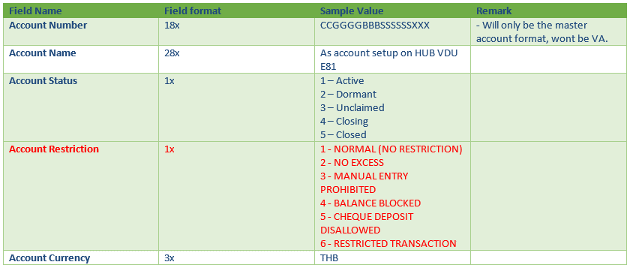 1. HUB account is input 2. Ops confirm the HUB account information and proceed with account number input 3.Erro msg "HUB account not found" | Fixed | Comments for tool tip should be: 12 digits (HUB account number)
FT1-9 | Merchant Setup | Rules Validation | Charge Settlement Account* | 1. input <> 12 digits 2. input 12 digits, i.e. HUB account number without "-" 3. validate the proppded up HUB information: Account name, status, restriction 4.no HUB account | 1. Error message of "Must be 12 digits" 2. HUB account is input 3.Erro msg "HUB account not found" | Fixed |  | Y
FT1-10 | Merchant Setup | Rules Validation | Settlement Account Currency* | choose the Local currency from drop down list/get from Hub |  | pass | check the logic
FT1-11 | Merchant Setup | Rules Validation | Shared Key（new）* | 1.input <= 80 characters
FT1-12 | Merchant Setup | Rules Validation | Report* | 1. no input 2.select at least one report | 1. Error Message of "At least one report is preferred' 2.no erro message | pass | Star mark should be middle-aligned
FT1-13 | Merchant Setup | Rules Validation | Report Format* | 1. no input 2.select at least one report | 1. Error Message of "Report format is mandatory" 2.no erro message | pass
FT1-14 | Merchant Setup | Rules Validation | Detail report generation time | if "Detail Report" is selected, “Detail report generation” is required 1. input correct format time 2. input incorrect format time |  | pass | check the detail report generation time
FT1-15 | Merchant Setup | Rules Validation | Report Delivery Channel* | 1. no input 2. select at least one report delivery channel | 1. "Report Delivery Channel is mandatory" 2. no erro message | pass
FT1-16 | Merchant Setup | Rules Validation | HSBCnet Customer ID | if "HSBCnet RFD" is selected, “HSBCnet Customer ID” is required 1.input > 18 characters，or <12characters 2.input 12- 18 characters 3.other symbols like"_", space input 4. alphabet-uppercase | 1.error msg "Between 12-18 characters" 2. no erro message 3.error msg "Between 12-18 characters"（error msg box of "Number and alphabet only"） | Fixed |  | Y
FT1-17 | Merchant Setup | Rules Validation | Connect ID | if "Connect H2H" is selected, “Connect ID” is required 1.input <> 11 characters 2.input = 11 characters 3.uppercase | 1.error msg " Must be 11 characters" 2. no erro message | Fixed |  | Y
FT1-18 | Merchant Setup | Rules Validation | Merchant E-mail | if "Secure Email" is selected, “Merchant E-mail” is required 1. input incorrect mail format 2. input correct mail format 3.input <=2000 characters 4.multiple mailboxes are separated by English delimiters | 1. erro msg "Please fill in correct E-mail format" 2. no erro message | pass
FT1-19 | Merchant Setup | Rules Validation | Available Rate Information | only approved rate shown | 1.choose merchant's rate | pass

